Sheet1
 |  | Document No. | Issue No. | Issue Date |  | Review and Replace Date |  | Authorised By
 |  | GFF465MC | 1 | 02.10.2024 |  | New Document |  | Magda Shah
 |  | Document Title | 8 Hot & Spicy Chicken Samosa | 200G
Document amendments reason for change |  | New Document |  |  | Page 1 of 1 | Previous Issue Date | New Document | Uncontrolled copy unless signed original

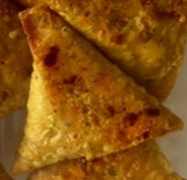
CCSAHSC-R1TEB | BOOTHS - XMAS |  | 8 Hot & Spicy Chicken Samosa | 200G
STEP 1 |  |  |  |  | STEP 2
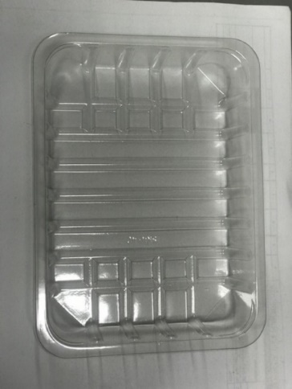

Tray: SK4 Plain Clear (PKESS001-07) |  |  |  |  | 8 x Xmas Hot & Spicy Chicken Samosa (GFF505R) 25g
Film: K-peel 7G+25A/f-275mm (PKKMP001-03)
STEP 3 |  |  |  |  | STEP 4
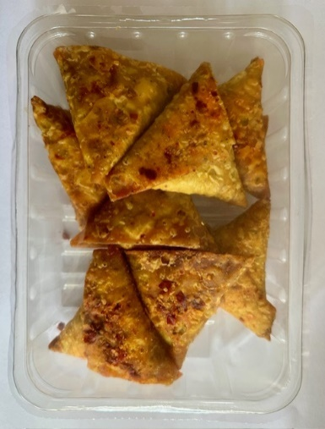

8 x Xmas Hot & Spicy Chicken Samosa (25g): 200g |  |  |  |  | TOTAL WEIGHT: 200g

ALLERGY ALERT: Wheat, Soya

